Miami, Florida
LAT | LONG | CONVERTED LONG |  |  | 25.8779, -80.3115 | GRID: | 41,228
25.7617 | -80.1918 | 279.8082 |  |  |  | EXCEL: | $HT$41
RLAT | RLON | CONVERTED RLONG
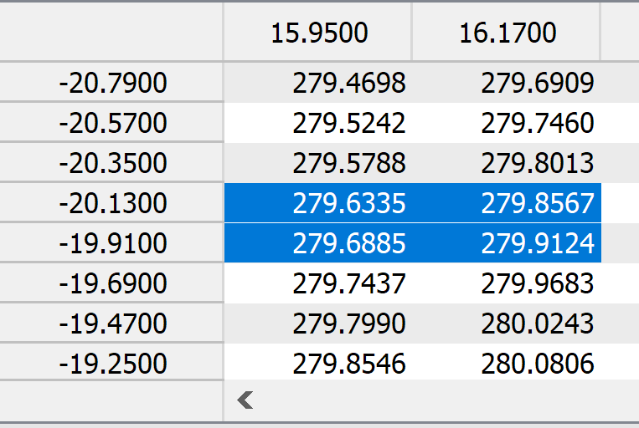
-20 | 16.09 | 376.09
RLON → RLAT ↓
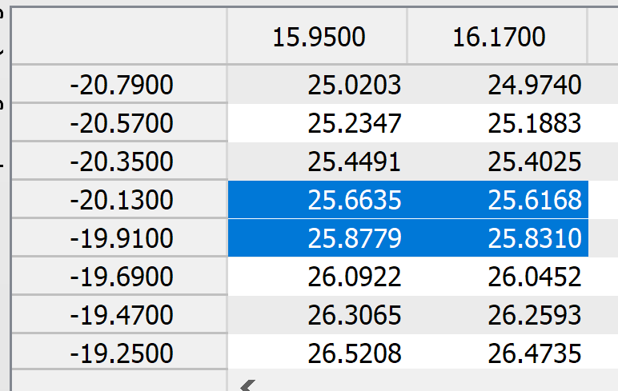
RLON → RLAT ↓

RLON → / RLAT ↓ | 15.95 | 16.17
-20.13 | 25.6635, 279.6335 | 25.6168, 279.8567 | -80.3665 | -80.1433
-19.91 | 25.8779, 279.6885 | 25.8310, 279.9124 | -80.3115 | -80.0876

RLON → / RLAT ↓ | 15.95 | 16.17
-20.13 | 25.6635, -80.3665 | 25.6168, -80.1433
-19.91 | 25.8779, -80.3115 | 25.8310, -80.0876

Bismarck, North Dakota
LAT | LONG | CONVERTED LONG |  |  | 46.8897, -100.7033 | GRID: | 129, 144
46.8083 | -100.7837 | 259.2163 |  |  |  | EXCEL: | $EN$129
RLAT | RLON | CONVERTED RLONG
-0.63 | -2.59 | 357.41

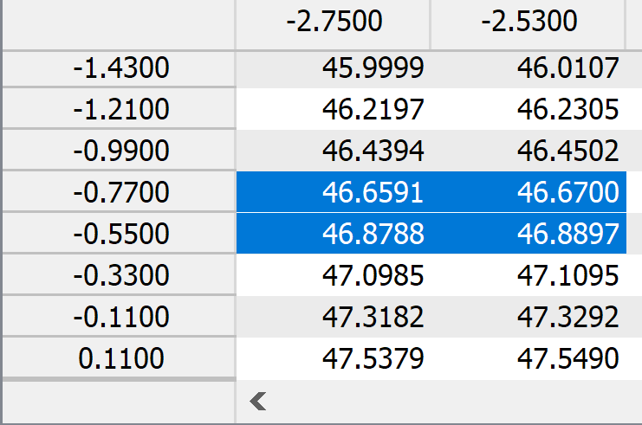
RLON → RLAT ↓
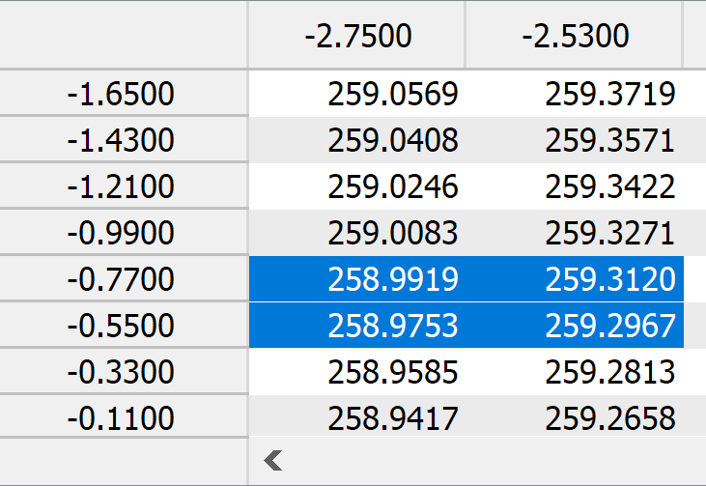
RLON → RLAT ↓

RLON → / RLAT ↓ | -2.75 | -2.53
-0.77 | 46.6591, 258.9919 | 46.6700, 259.3120 | -101.0081 | -100.688
-0.55 | 46.8788, 258.9753 | 46.8897, 259.2967 | -101.0247 | -100.7033

RLON → / RLAT ↓ | -2.75 | -2.53
-0.77 | 46.6591, -101.0081 | 46.6700, -100.6880
-0.55 | 46.8788, -101.0247 | 46.8897, -100.7033

San Diego, California
LAT | LONG | CONVERTED LONG |  | GRID: | 75,77
32.7157 | -117.1611 | 242.8389 | 32.8279, -117.1826 | EXCEL: | $BY$75
RLAT | RLON | CONVERTED RLONG
-12.54 | -17.28 | 342.72

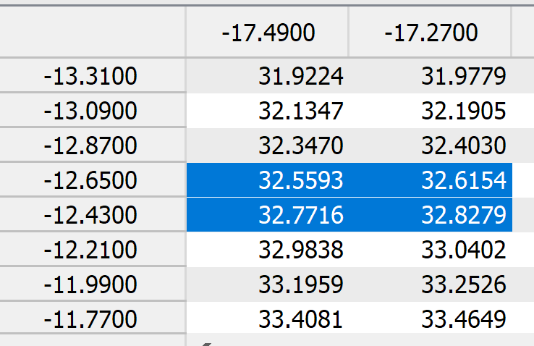
RLON → RLAT ↓
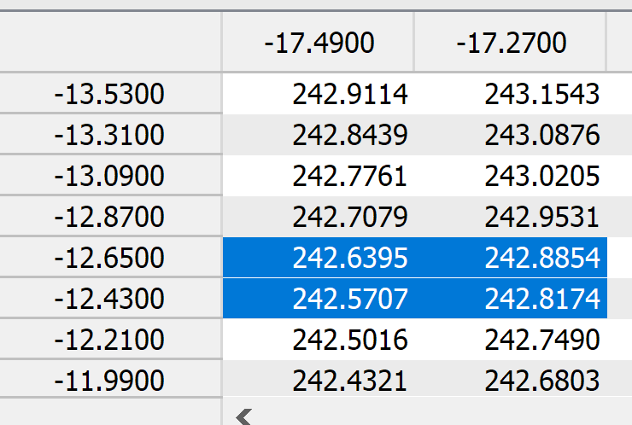
RLON → RLAT ↓

RLON → / RLAT ↓ | -17.49 | -17.27
-12.65 | 32.5593, 242.6395 | 32.6154, 242.8854
-12.43 | 32.7716, 242.5707 | 32.8279, 242.8174

RLON → / RLAT ↓ | -17.49 | -17.27
-12.65 | 32.5593, -117.3605 | 32.6154, -117.1146
-12.43 | 32.7716, -117.4293 | 32.8279, -117.1826

